Blad1
Bjorn Borg | 2020-01-31
Artikelcode |  | Model | Color | Retail | Total retail | Size | Ontvangen

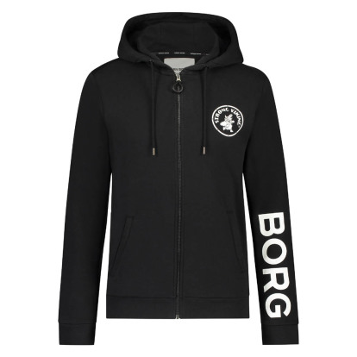
1911-1735 |  | HOODIE STRONG VIKING | 90651 | € 69.95 | € 839.40 | S | 12
1911-1735 |  | HOODIE STRONG VIKING | 90651 | € 69.95 | € 1,678.80 | M | 24
1911-1735 |  | HOODIE STRONG VIKING | 90651 | € 69.95 | € 1,399.00 | L | 20
1911-1735 |  | HOODIE STRONG VIKING | 90651 | € 69.95 | € 419.70 | XL | 6

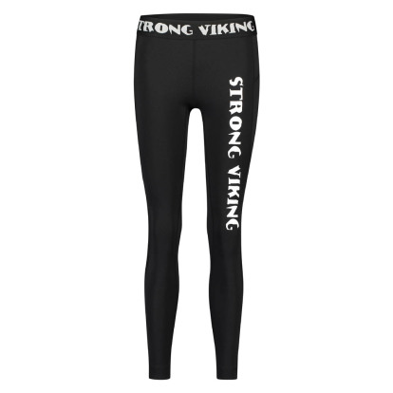
1911-1732 |  | TIGHTS STRONG VIKING | 90651 | € 49.95 | € 499.50 | 36 | 10
1911-1732 |  | TIGHTS STRONG VIKING | 90651 | € 49.95 | € 949.05 | 38 | 19
1911-1732 |  | TIGHTS STRONG VIKING | 90651 | € 49.95 | € 649.35 | 40 | 13
1911-1732 |  | TIGHTS STRONG VIKING | 90651 | € 49.95 | € 399.60 | 42 | 8

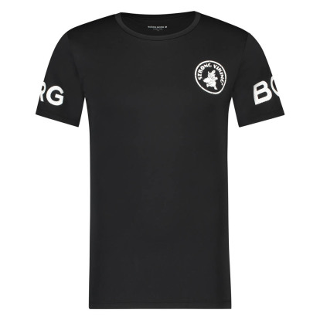
1911-1727 |  | TEE STRONG VIKING | 90651 | € 29.95 | € 89.85 | S | 3
1911-1727 |  | TEE STRONG VIKING | 90651 | € 29.95 | € 179.70 | M | 6
1911-1727 |  | TEE STRONG VIKING | 90651 | € 29.95 | € 329.45 | L | 11
1911-1727 |  | TEE STRONG VIKING | 90651 | € 29.95 | € 179.70 | XL | 6

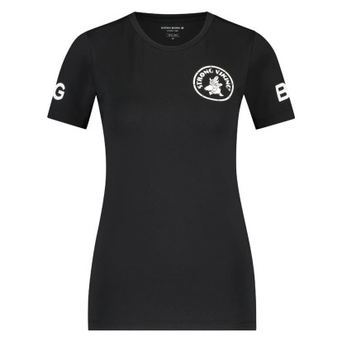
1911-1730 |  | TEE STRONG VIKING CARLA LADY | 90651 | € 29.95 | € 179.70 | 36 | 6
1911-1730 |  | TEE STRONG VIKING CARLA LADY | 90651 | € 29.95 | € 509.15 | 38 | 17
1911-1730 |  | TEE STRONG VIKING CARLA LADY | 90651 | € 29.95 | € 419.30 | 40 | 14
1911-1730 |  | TEE STRONG VIKING CARLA LADY | 90651 | € 29.95 | € 179.70 | 42 | 6


1911-1731 |  | TANK STRONG VIKING | 90651 | € 29.95 | € 149.75 | 36 | 5
1911-1731 |  | TANK STRONG VIKING | 90651 | € 29.95 | € 658.90 | 38 | 22
1911-1731 |  | TANK STRONG VIKING | 90651 | € 29.95 | € 359.40 | 40 | 12
1911-1731 |  | TANK STRONG VIKING | 90651 | € 29.95 | € 269.55 | 42 | 9

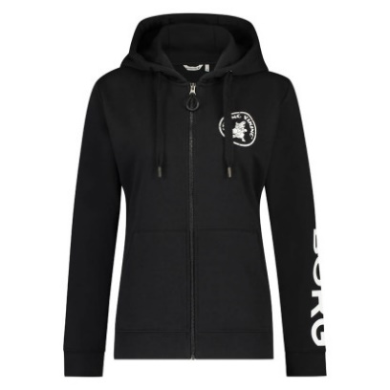
1911-1733 |  | HOODIE STRONG VIKING LADY | 90651 | € 49.95 | € 599.40 | 36 | 12
1911-1733 |  | HOODIE STRONG VIKING LADY | 90651 | € 49.95 | € 999.00 | 38 | 20
1911-1733 |  | HOODIE STRONG VIKING LADY | 90651 | € 49.95 | € 1,148.85 | 40 | 23


1911-1736 |  | PANTS STRONG VIKING | 90651 | € 49.95 | € 299.70 | S | 6
1911-1736 |  | PANTS STRONG VIKING | 90651 | € 49.95 | € 449.55 | M | 9
1911-1736 |  | PANTS STRONG VIKING | 90651 | € 49.95 | € 249.75 | L | 5
1911-1736 |  | PANTS STRONG VIKING | 90651 | € 49.95 | € 99.90 | XL | 2


1911-1737 |  | TEE STRONG VIKING | 90651 | € 29.95 | € 29.95 | 36 | 1
1911-1737 |  | TEE STRONG VIKING | 90651 | € 29.95 | € 59.90 | 38 | 2
1911-1737 |  | TEE STRONG VIKING | 90651 | € 29.95 | € 59.90 | 40 | 2
1911-1737 |  | TEE STRONG VIKING | 90651 | € 29.95 | € 29.95 | 42 | 1

1931-1770 |  | PANTS B SPORT | 90651 | € 39.95 | € 199.75 | 34 | 5
1931-1770 |  | PANTS B SPORT | 90651 | € 39.95 | € 799.00 | 36 | 20

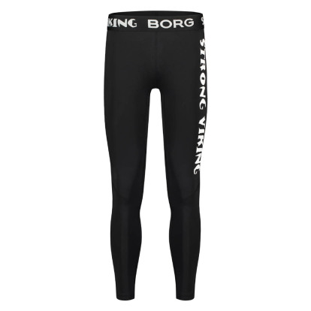
1911-1729 |  | TIGHTS STRONG VIKING | 90651 | € 59.95 | € 599.50 | S | 10
1911-1729 |  | TIGHTS STRONG VIKING | 90651 | € 59.95 | € 1,438.80 | M | 24
1911-1729 |  | TIGHTS STRONG VIKING | 90651 | € 59.95 | € 899.25 | L | 15
1911-1729 |  | TIGHTS STRONG VIKING | 90651 | € 59.95 | € 659.45 | XL | 11

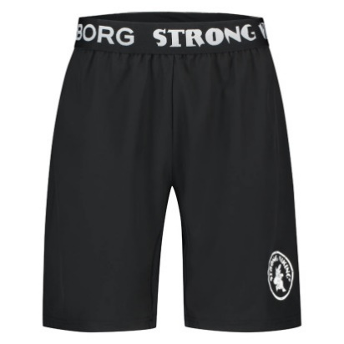
1911-1728 |  | SHORTS STRONG VIKING | 90651 | € 39.95 | € 159.80 | S | 4
1911-1728 |  | SHORTS STRONG VIKING | 90651 | € 39.95 | € 599.25 | M | 15
1911-1728 |  | SHORTS STRONG VIKING | 90651 | € 39.95 | € 479.40 | L | 12
1911-1728 |  | SHORTS STRONG VIKING | 90651 | € 39.95 | € 279.65 | XL | 7
 |  |  |  | € 47.08 | € 20,478.25 |  | 435

